UCS
...
 | Before-Treatment #3A1 | After-Treatment #3A1
0.0115 | 73.6751 | 54.483
0.0135 | 78.9503 | 49.465
0.0155 | 95.7619 | 52.265
0.0175 | 89.4011 | 48.333
0.0195 | 91.2087 | 41.89
0.0215 | 81.7692 | 37.228
0.0235 | 76.3148 | 48.325
0.0255 | 62.3582 | 46.746
0.0275 | 68.3097 | 48.759
0.0295 | 75.2665 | 54.384
0.0315 | 69.442 | 55.87
0.0335 | 67.8465 | 50.555
0.0355 | 79.004 | 49.713
0.0375 | 68.969 | 51.211
0.0395 | 64.4283 | 56.108
0.0415 | 77.5139 | 63.311
0.0435 | 86.9004 | 66.911
0.0455 | 76.943 | 69.223
0.0475 | 75.0433 | 64.489
0.0495 | 76.1978 | 59.741
0.0515 | 81.7319 | 63.527
0.0535 | 83.7226 | 64.631
0.0555 | 90.6023 | 68.241
0.0575 | 98.8239 | 75.602
0.0595 | 103.761 | 81.662
0.0615 | 93.121 | 79.514
0.0635 | 87.5648 | 78.681
0.0655 | 81.1443 | 73.42
0.0675 | 80.5782 | 67.648
0.0695 | 76.536 | 64.037
0.0715 | 81.9929 | 59.838
0.0735 | 83.0471 | 58.921
0.0755 | 71.5923 | 59.78
0.0775 | 63.7995 | 60.393
0.0795 | 69.5573 | 61.39
0.0815 | 63.0218 | 57.566
0.0835 | 58.3987 | 51.035
0.0855 | 76.3526 | 55.019
0.0875 | 72.5311 | 57.845
0.0895 | 61.4387 | 54.705
0.0915 | 74.7071 | 53.9
0.0935 | 80.5055 | 69.784
0.0955 | 80.3344 | 67.271
0.0975 | 82.923 | 64.102
0.0995 | 96.6157 | 60.522
0.1015 | 89.3747 | 62.078
 | Before-Treatment #3A3 | After-Treatment #3A3
0.0114 | 84.458 | 66.544
0.0134 | 80.726 | 64.214
0.0154 | 80.768 | 61.586
0.0174 | 79.115 | 54.607
0.0194 | 79.941 | 54.845
0.0214 | 81.925 | 55.069
0.0234 | 86.625 | 52.532
0.0254 | 85.668 | 60.182
0.0274 | 87.174 | 63.896
0.0294 | 86.099 | 66.633
0.0314 | 84.543 | 61.681
0.0334 | 84.409 | 59.879
0.0354 | 86.823 | 51.789
0.0374 | 85.625 | 49.177
0.0394 | 86.254 | 49.930
0.0414 | 87.206 | 52.385
0.0434 | 86.896 | 57.370
0.0454 | 84.791 | 68.096
0.0474 | 83.135 | 71.487
0.0494 | 80.548 | 67.509
0.0514 | 79.503 | 62.966
0.0534 | 77.959 | 57.293
0.0554 | 74.164 | 51.228
0.0574 | 75.630 | 48.376
0.0594 | 79.119 | 50.658
0.0614 | 78.913 | 49.823
0.0634 | 82.449 | 48.924
0.0654 | 86.552 | 50.398
0.0674 | 86.797 | 52.638
0.0694 | 85.397 | 54.194
0.0714 | 87.058 | 59.243
0.0734 | 86.976 | 61.679
0.0754 | 88.736 | 63.383
0.0774 | 90.164 | 63.359
0.0794 | 91.508 | 53.272
0.0814 | 89.916 | 41.101
0.0834 | 90.112 | 34.381
0.0854 | 86.648 | 44.348
0.0874 | 84.680 | 54.521
0.0894 | 83.521 | 51.093
0.0914 | 82.067 | 43.560
 | Before-Treatment #3A2 | After-Treatment #3A2
0.0118 | 80.5249 | 50.0769
0.0138 | 85.3117 | 64.7997
0.0158 | 92.0979 | 58.2102
0.0178 | 89.3865 | 71.502
0.0198 | 90.6353 | 75.1681
0.0218 | 88.3635 | 62.0895
0.0238 | 89.7693 | 45.638
0.0258 | 83.6491 | 36.0242
0.0278 | 86.0453 | 33.0615
0.0298 | 88.9872 | 47.6476
0.0318 | 83.1558 | 32.3579
0.0338 | 75.886 | 45.4225
0.0358 | 82.8586 | 65.9967
0.0378 | 79.3872 | 63.3187
0.0398 | 73.7079 | 62.0249
0.0418 | 82.8409 | 71.645
0.0438 | 82.762 | 60.403
0.0458 | 75.1826 | 60.3653
0.0478 | 74.6956 | 49.1412
0.0498 | 77.2142 | 47.4491
0.0518 | 77.6906 | 65.1059
0.0538 | 78.1937 | 69.8282
0.0558 | 86.8055 | 79.6056
0.0578 | 91.8647 | 68.4272
0.0598 | 92.3038 | 67.0575
0.0618 | 91.1246 | 74.7951
0.0638 | 93.6717 | 80.7228
0.0658 | 84.3533 | 75.223
0.0678 | 82.6938 | 73.3946
0.0698 | 88.5969 | 65.926
0.0718 | 91.5765 | 54.0757
0.0738 | 93.0614 | 53.5279
0.0758 | 88.0789 | 66.111
0.0778 | 81.8561 | 67.6201
0.0798 | 80.8013 | 60.3653
0.0818 | 74.0222 | 49.1412
0.0838 | 74.773 | 33.0011
0.0858 | 87.8322 | 33.8644
0.0878 | 88.9433 | 47.4491
0.0898 | 84.1384 | 65.1059
0.0918 | 85.4459 | 69.8282
0.0938 | 85.0212 | 60.3653
0.0958 | 80.9459 | 49.1412
0.0978 | 88.1765 | 47.4491
0.0998 | 95.6014 | 65.1059
0.1018 | 99.1641 | 69.8282
UCS [MPa] |  |  |  | 8a | 8b | 8c
66.544
64.214
61.586 | Before-Treatment #3A1 | 78.68 | [Mpa]
54.607 | After-Treatment #3A1 | 59.57 | [Mpa]
54.845 | Before-Treatment #3A2 | 84.98 | [Mpa]
55.069 | After-Treatment #3A2 | 59.01 | [Mpa]
52.532 | Before-Treatment #3A3 | 84.24 | [Mpa]
60.182 | After-Treatment #3A3 | 55.40 | [Mpa]
63.896
66.633
61.681
59.879 | Before-Treatment #3A1 | 78.68 | [Mpa]
51.789 | Before-Treatment #3A2 | 84.98 | [Mpa]
49.177 | Before-Treatment #3A3 | 84.24 | [Mpa]
49.93 | After-Treatment #3A2 | 59.01 | [Mpa]
52.385 | After-Treatment #3A3 | 55.40 | [Mpa]
57.37 | After-Treatment #3A1 | 59.57 | [Mpa]
68.096
71.487
67.509 | Average Before treatment | 82.63 | [Mpa]
62.966 | Average After treatment | 57.99 | [Mpa]
57.293
51.228
48.376
50.658
49.823
48.924
50.398
52.638
54.194
59.243
61.679
63.383
63.359
53.272
41.101
34.381
44.348
54.521
51.0929
...

Ks
...
 |  |  | 9a
 | Before-Treatment #3A2 | After-Treatment #3A2
0.01 | 2.188 | 1.960
0.01 | 2.168 | 1.922
0.01 | 2.150 | 1.678
0.01 | 3.344 | 2.640
0.02 | 2.578 | 2.130
0.02 | 2.494 | 2.162
0.02 | 3.250 | 2.162
0.02 | 3.344 | 2.208
0.02 | 2.906 | 2.164
0.03 | 2.716 | 2.008
0.03 | 2.752 | 2.310
0.03 | 2.140 | 1.768
0.03 | 2.264 | 2.014
0.03 | 2.202 | 1.807
0.04 | 2.120 | 1.778
0.04 | 2.222 | 1.818
0.04 | 2.398 | 1.867
0.04 | 2.542 | 1.926
0.04 | 2.628 | 1.896
0.05 | 2.780 | 1.663
0.05 | 2.668 | 1.425
0.05 | 2.488 | 1.382
0.05 | 2.582 | 1.614
0.05 | 2.598 | 1.886
0.06 | 2.632 | 2.066
0.06 | 2.786 | 2.116
0.06 | 2.966 | 2.132
0.06 | 2.914 | 2.362
0.06 | 2.882 | 2.222
0.07 | 2.780 | 2.272
0.07 | 2.564 | 2.062
0.07 | 2.422 | 2.176
0.07 | 2.246 | 1.882
0.07 | 2.252 | 1.984
0.08 | 2.360 | 1.842
0.08 | 2.504 | 1.808
0.08 | 2.724 | 2.014
0.08 | 2.830 | 2.052
0.08 | 2.902 | 2.106
0.09 | 2.926 | 2.164
0.09 | 3.008 | 2.282
0.09 | 2.972 | 2.152
0.09 | 2.902 | 2.110
0.09 | 2.746 | 1.865
0.10 | 2.658 | 1.709
0.10 | 2.468 | 1.553
0.10 | 2.272 | 1.490
0.10 | 2.260 | 1.585
...
 | Average
Before-Treatment #3A2 | 2.61 | [MPa·√m]
After-Treatment #3A2 | 1.96 | [MPa·√m]
Before-Treatment #3A3 | 2.71 | [MPa·√m]
After-Treatment #3A3 | 1.85 | [MPa·√m]
...
Before-Treatment #3A2 | 2.61 | [MPa·√m]
Before-Treatment #3A3 | 2.71 | [MPa·√m]
After-Treatment #3A2 | 1.96 | [MPa·√m]
After-Treatment #3A3 | 1.85 | [MPa·√m]
...
Average Before treatment | 2.66 | [MPa·√m]
Average After treatment | 1.90 | [MPa·√m]
...
 |  |  |  | 9b
 | Before-Treatment #3A3 | After-Treatment #3A3
0.01 | 2.158 | 1.93
0.01 | 2.020 | 1.74
0.01 | 1.857 | 1.70
0.02 | 1.877 | 1.79
0.02 | 1.967 | 1.75
0.02 | 2.186 | 1.73
0.02 | 2.464 | 1.88
0.02 | 2.740 | 1.86
0.03 | 2.994 | 1.83
0.03 | 3.112 | 1.44
0.03 | 3.210 | 1.64
0.03 | 3.236 | 1.74
0.03 | 3.140 | 1.81
0.04 | 3.104 | 2.19
0.04 | 3.150 | 2.11
0.04 | 2.980 | 2.08
0.04 | 2.804 | 1.83
0.04 | 2.902 | 1.61
0.05 | 2.900 | 1.60
0.05 | 2.820 | 1.73
0.05 | 2.802 | 1.79
0.05 | 2.804 | 1.55
0.05 | 2.680 | 1.94
0.06 | 2.588 | 2.07
0.06 | 2.546 | 2.16
0.06 | 2.668 | 1.96
0.06 | 2.844 | 1.45
0.06 | 2.804 | 2.09
0.07 | 2.844 | 2.42
0.07 | 2.890 | 2.20
0.07 | 2.840 | 1.82
0.07 | 2.722 | 1.98
0.07 | 2.714 | 2.14
0.08 | 2.674 | 1.95
0.08 | 2.668 | 1.68
0.08 | 2.690 | 1.78
0.08 | 2.688 | 1.82
0.08 | 2.736 | 1.95
0.09 | 2.752 | 1.84
0.09 | 2.754 | 1.69
0.09 | 2.778 | 1.61
0.09 | 2.726 | 1.52
0.09 | 2.710 | 1.98
0.1 | 2.724 | 1.91
0.1 | 2.680 | 1.95
0.1 | 2.632 | 1.77
0.1 | 2.608 | 1.70
...

Porosity
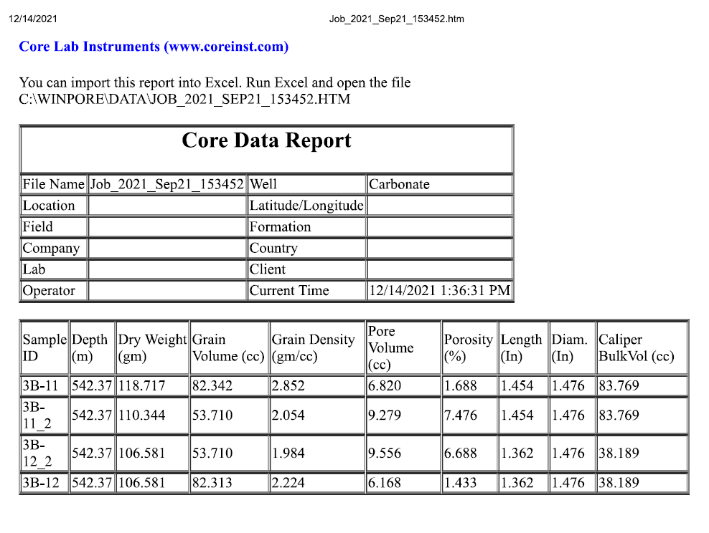
Sample ID | Before-Treatment Porosity | After-Treatment Porosity | Porosity Increase (%)
#3B-11 | 1.688 | 7.476 | 343 | 10
#3B-12 | 1.433 | 6.688 | 367

Permeability
Sample ID | Before-Treatment Permeability (μD) | After-Treatment Permeability (μD) | Permeability Increase (%)
3B-11 | 0.05916 | 0.13181 | 122.81
3B-12 | 0.05601 | 0.80913 | 1344.55

 |  |  |  | 11

Averages
UCS (MPa) |  |  |  | Fracture Toughness (MPa·√m)
Sample | #3A1 | #3A2 | #3A3 | Sample | #3A2 | #3A3
Before-Treatment UCS | 78.68 | 84.98 | 84.24 | Before-Treatment Ks | 2.61 | 2.71
After-Treatment UCS | 59.57 | 59.01 | 55.40 | After-Treatment Ks | 1.96 | 1.85
% Change | -24.29 | -30.56 | -34.24 | % Change | -24.94 | -31.82

 | 12a |  |  | 12b

